Instructions
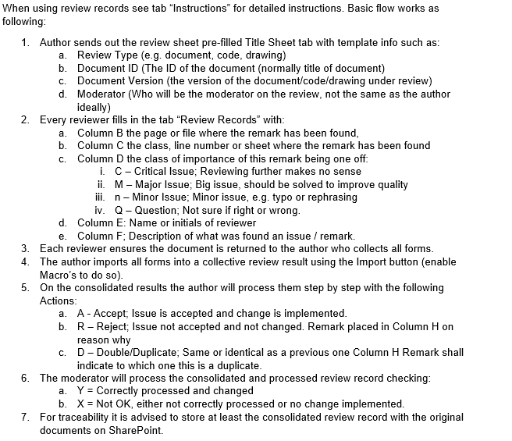
 | User Instructions:
1 | Author prepares review a sheet, instructs reviewers and sents out the sheet to all reviewers
2 | Each reviewer fills out the review results sheet and sends back to Author
3 | Author imports forms of other reviewers by clicking "Import"button
4 | Author chooses action for each entry. In case of not accepting the issue (reject), this must be explained
 | in the remarks section.
5 | When the author is done, the moderator performs an exit check:
 | - Checks if all rejected issues are handled in proper way
 | - Checks the other issues sample wise
6 | Review records are stored with the original document(s)

Review Results
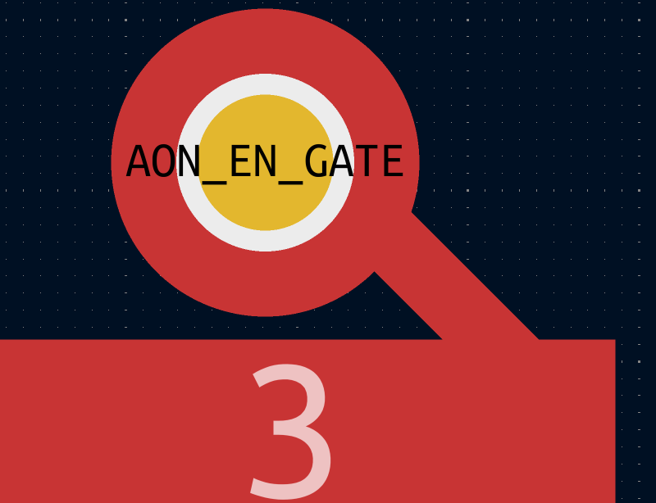
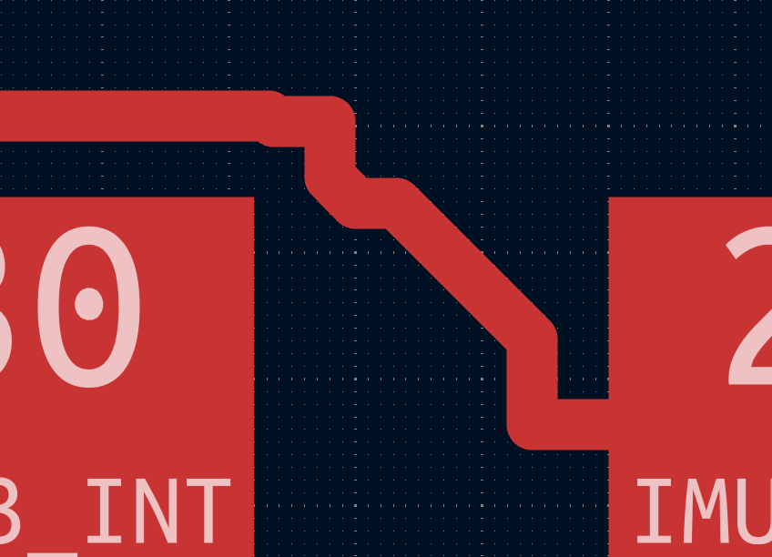
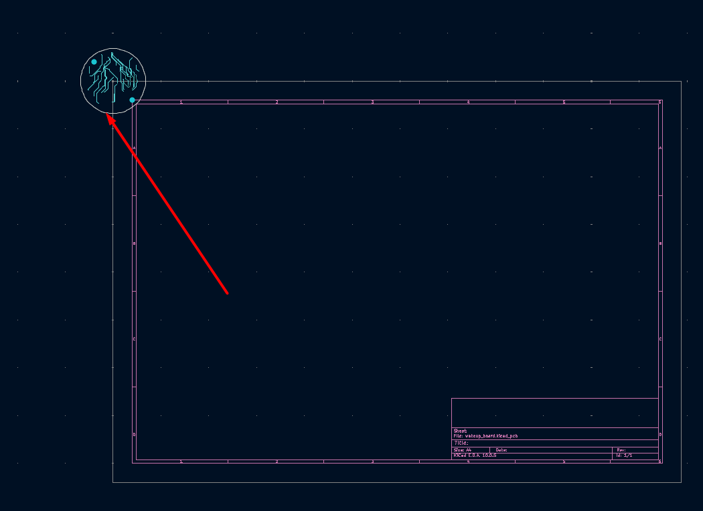
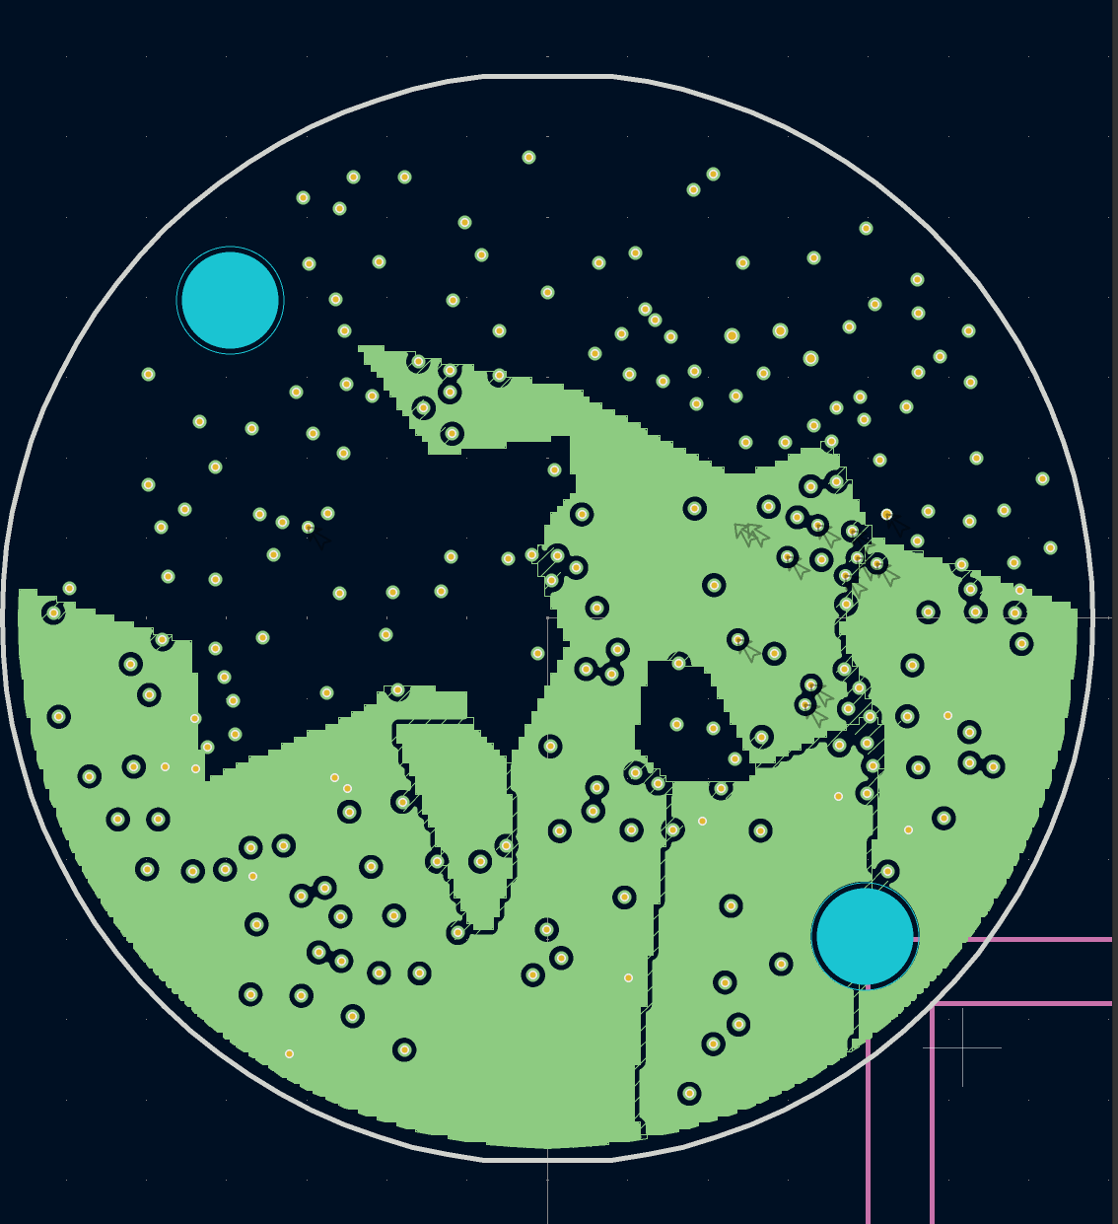
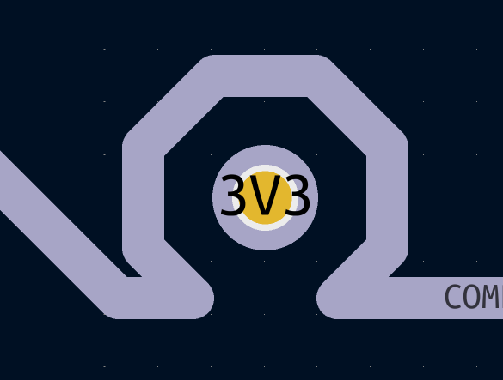
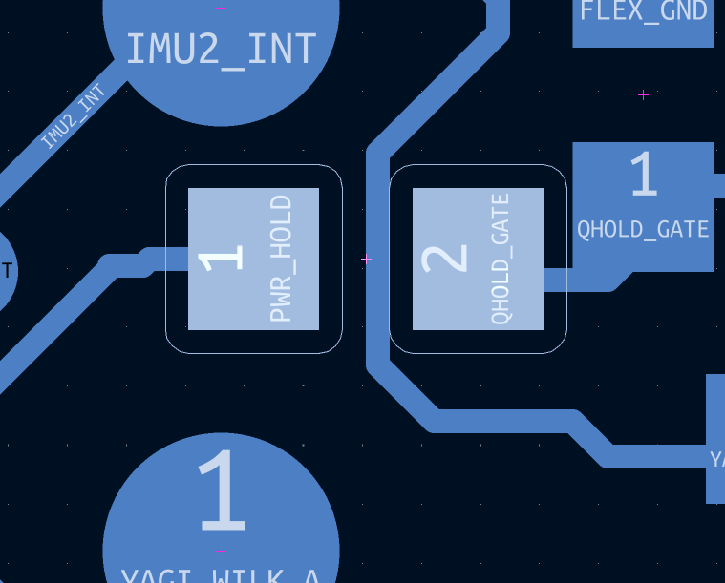
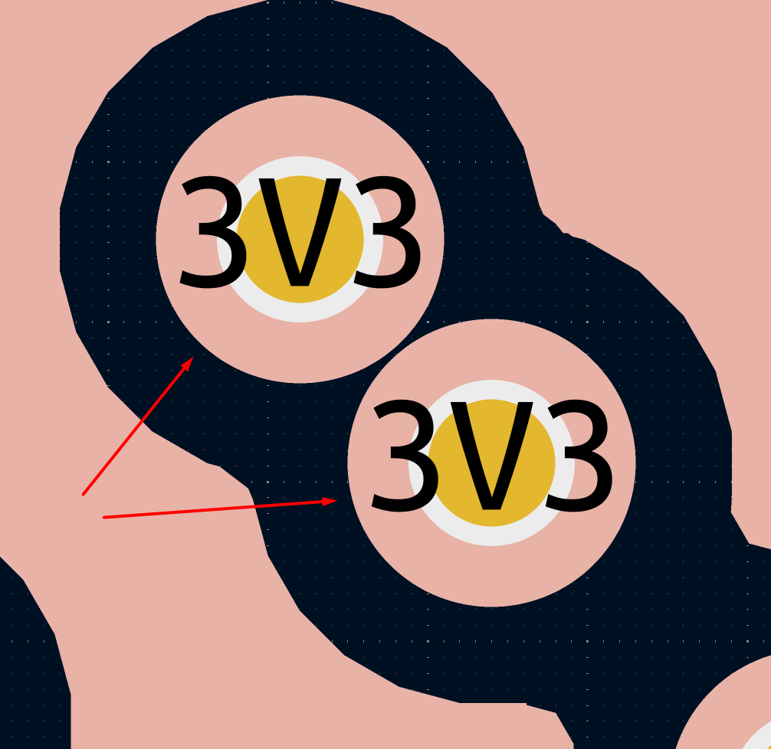
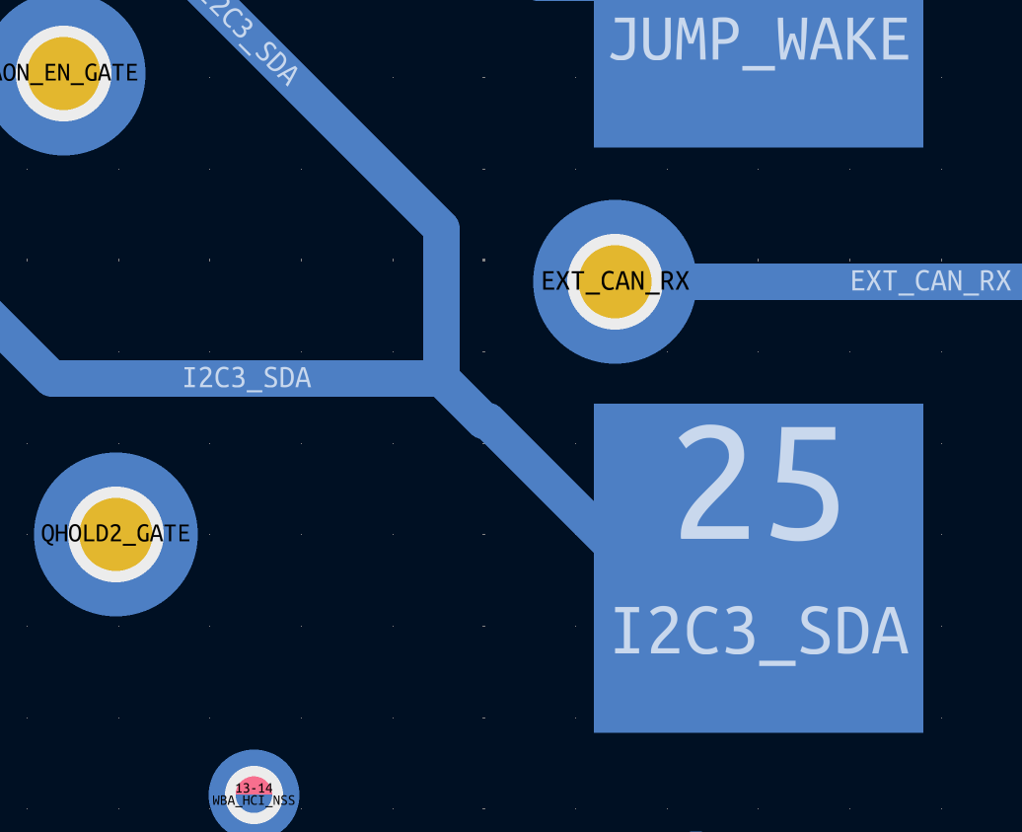
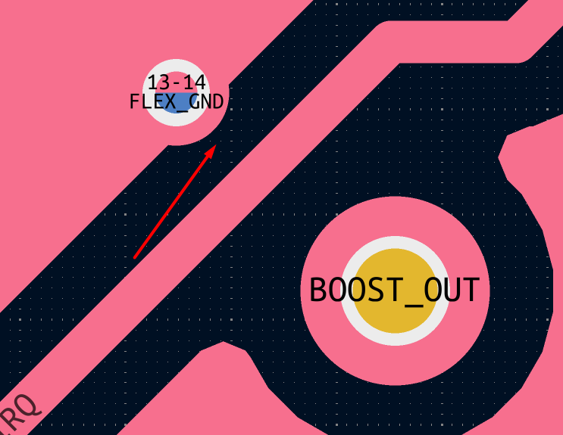
 |  |  |  |  |  |  | Review Results
 |  |  |  |  |  | Review Type | Schematics / Layout
 |  |  |  |  |  | Document ID | <Name of the document under review>
 |  |  |  |  |  | Document Version | 0.2
 | Form Revision: | 0 |  |  |  | Moderator | 0

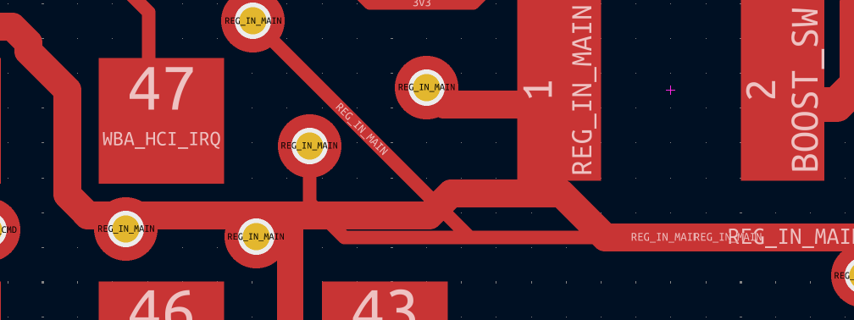

Item# | Sheet | Component | C | Reviewer | Issue Description | Action | Remark | Check
 | layout |  |  |  |  Overlapping silk and copper
 |  |  |  |  | 3D models of footprints are not correctly placed in the library
 |  |  |  |  | Net REG_IN_MAIN should be rerouted
 |  |  |  |  | Use teardrops
 |  |  |  |  | Each FLEX_GND should have its own microvia or via
 |  |  |  |  | Some via's only connect in the annular ring which should be avoided
 |  |  |  |  | check layout for acid traps --> there are a lot
 |  |  |  |  | Edge Cuts layer seems not to be an arc, check it

